Script
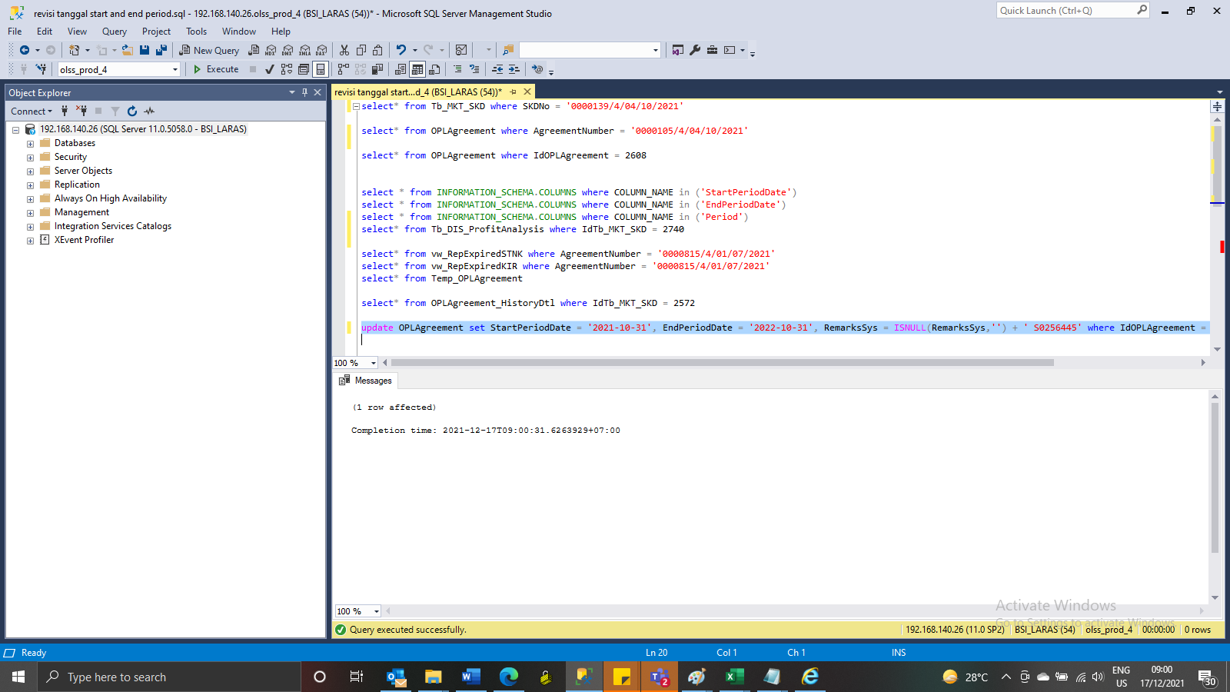
update OPLAgreement set StartPeriodDate = '2021-10-31', EndPeriodDate = '2022-10-31', RemarksSys = ISNULL(RemarksSys,'') + ' S0256445' where IdOPLAgreement = 2780

Screenshot
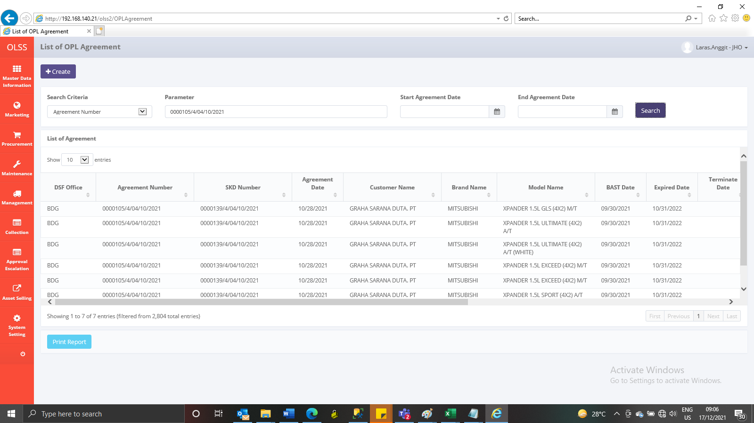
BEFORE
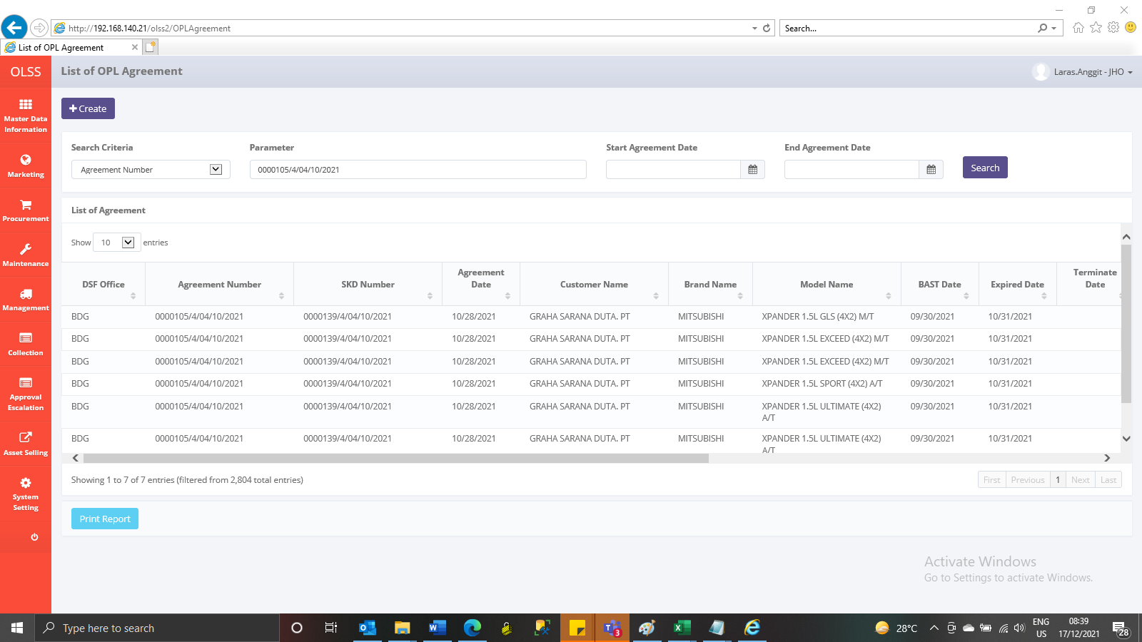

AFTER

